Sheet1
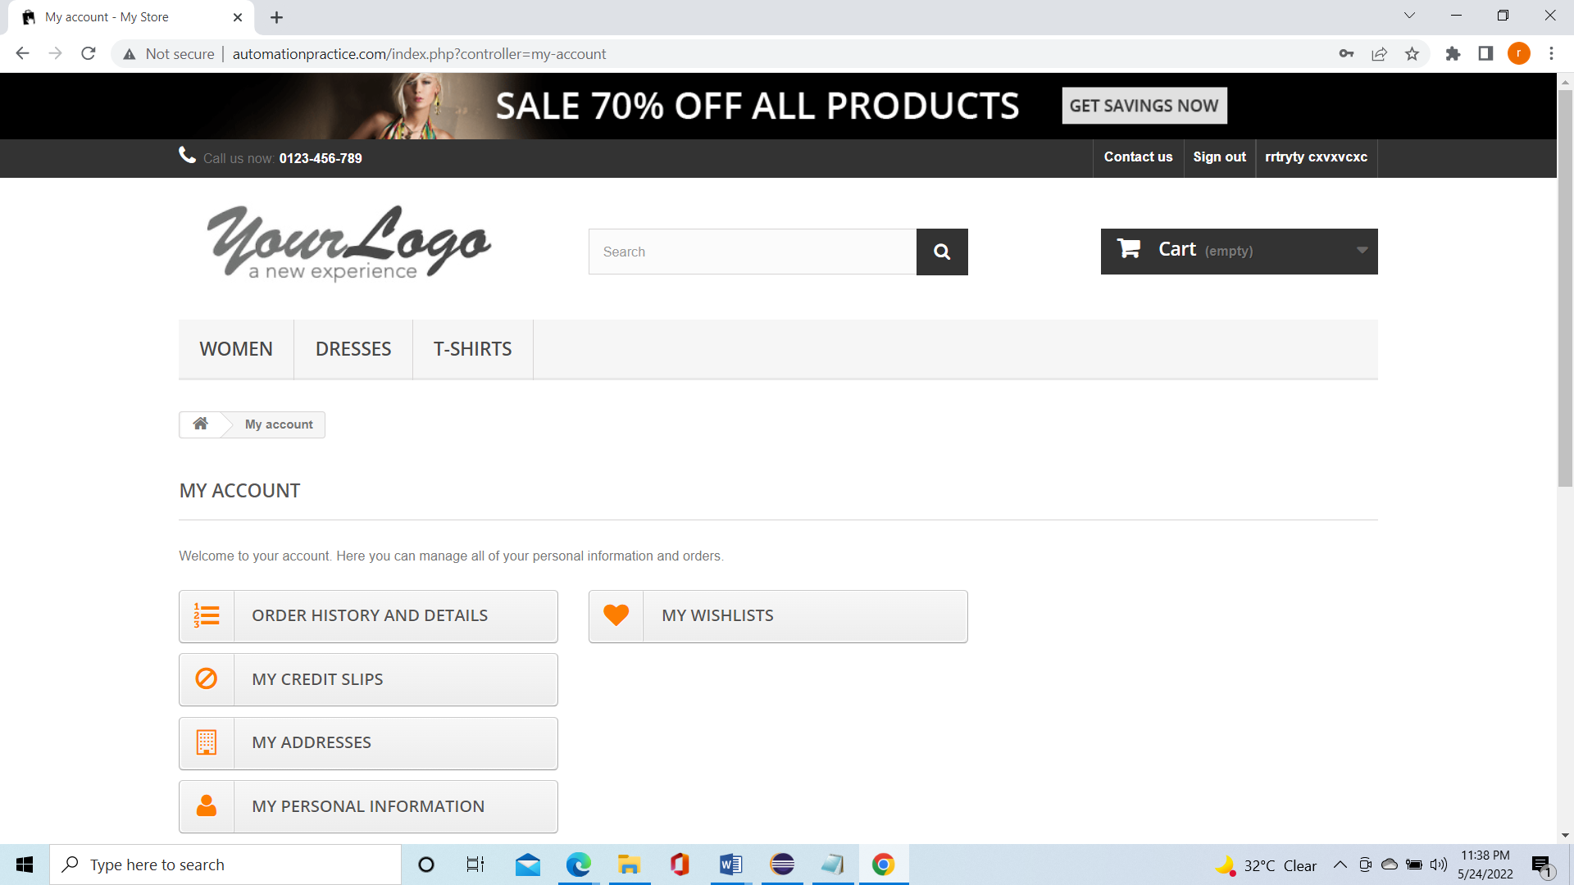
Defect Id | Defect Desc | Steps to reporoduce | Severity | Priority | AssignedTo | Environment | Created Date | DueDate | Created By
LOG001 | User is automatically logged in post registering for signUp | 1.GO toautomationapproach website | High | High |  | Demo | 2022-05-26 |  | Rupam
 |  | 2. Click on Sign In Button
 |  | 3. Enter Email Id to create Account
 |  | 4.Enter all the personal details
 |  | 5.Click on register button
 |  | 6. Expected :Sucessful signup User will land in login page
 |  | 7.Actual : User is logged in automatically

